Sheet1
HAMRICKS

PICK TICKET CHECK LIST |  |  |  | PO# 263517
 |  |  |  | PT# 1757996 - 1758014
TICKETING

ROUTING |  |  | SHIP VIA: ROUTING

CARTON MARKING

PO # MUST BE ON ALL BOXES
STORE# and STORE NAME
STYLE
COLOR
QTY

CUSTOMER STYLE | OUR STYLE | QTY | PT #
BOC010-42 | BOC010-42 | 6 | 1771904
BOC010-42 | BOC010-42 | 6 | 1771905
BOC010-42 | BOC010-42 | 6 | 1771906
BOC010-42 | BOC010-42 | 6 | 1771907
BOC010-42 | BOC010-42 | 6 | 1771908
BOC010-42 | BOC010-42 | 12 | 1771909
BOC010-42 | BOC010-42 | 6 | 1771910
BOC010-42 | BOC010-42 | 6 | 1771911
BOC010-42 | BOC010-42 | 6 | 1771904
BOC010-42 | BOC010-42 | 6 | 1771905
BOC010-42 | BOC010-42 | 6 | 1771906
BOC010-42 | BOC010-42 | 6 | 1771907
BOC010-42 | BOC010-42 | 6 | 1771908
BOC010-42 | BOC010-42 | 12 | 1771909
BOC010-42 | BOC010-42 | 6 | 1771910
BOC010-42 | BOC010-42 | 6 | 1771911
BOC010-42 | BOC010-42 | 6 | 1771905
BOC010-42 | BOC010-42 | 6 | 1771906
BOC010-42 | BOC010-42 | 6 | 1771907
BOC010-42 | BOC010-42 | 6 | 1771908
BOC010-42 | BOC010-42 | 12 | 1771909
BOC010-42 | BOC010-42 | 6 | 1771910
BOC015-42 | BOC015-42 | 6 | 1771904
BOC015-42 | BOC015-42 | 6 | 1771905
BOC015-42 | BOC015-42 | 6 | 1771906
BOC015-42 | BOC015-42 | 6 | 1771907
BOC015-42 | BOC015-42 | 6 | 1771908
BOC015-42 | BOC015-42 | 6 | 1771909
BOC015-42 | BOC015-42 | 6 | 1771910
BOC015-42 | BOC015-42 | 6 | 1771911
BOC018-42 | BOC018-42 | 6 | 1771904
BOC018-42 | BOC018-42 | 6 | 1771905
BOC018-42 | BOC018-42 | 6 | 1771906
BOC018-42 | BOC018-42 | 6 | 1771907
BOC018-42 | BOC018-42 | 6 | 1771908
BOC018-42 | BOC018-42 | 6 | 1771909
BOC018-42 | BOC018-42 | 6 | 1771910
BOC018-42 | BOC018-42 | 6 | 1771911
BOC020-42 | BOC020-42 | 6 | 1771904
BOC020-42 | BOC020-42 | 6 | 1771905
BOC020-42 | BOC020-42 | 6 | 1771906
BOC020-42 | BOC020-42 | 6 | 1771907
BOC020-42 | BOC020-42 | 6 | 1771908
BOC020-42 | BOC020-42 | 6 | 1771909
BOC020-42 | BOC020-42 | 6 | 1771910
BOC020-42 | BOC020-42 | 6 | 1771911
BOC021-42 | BOC021-42 | 6 | 1771904
BOC021-42 | BOC021-42 | 6 | 1771905
BOC021-42 | BOC021-42 | 6 | 1771906
BOC021-42 | BOC021-42 | 6 | 1771907
BOC021-42 | BOC021-42 | 6 | 1771908
BOC021-42 | BOC021-42 | 6 | 1771909
BOC021-42 | BOC021-42 | 6 | 1771910
BOC021-42 | BOC021-42 | 6 | 1771911
BOC021-42 | BOC021-42 | 6 | 1771904
BOC021-42 | BOC021-42 | 6 | 1771905
BOC021-42 | BOC021-42 | 6 | 1771906
BOC021-42 | BOC021-42 | 6 | 1771907
BOC021-42 | BOC021-42 | 6 | 1771908
BOC021-42 | BOC021-42 | 6 | 1771909
BOC021-42 | BOC021-42 | 6 | 1771910
BOC021-42 | BOC021-42 | 6 | 1771911
BOC022-42 | BOC022-42 | 6 | 1771904
BOC022-42 | BOC022-42 | 6 | 1771905
BOC022-42 | BOC022-42 | 6 | 1771906
BOC022-42 | BOC022-42 | 6 | 1771907
BOC022-42 | BOC022-42 | 6 | 1771908
BOC022-42 | BOC022-42 | 6 | 1771909
BOC022-42 | BOC022-42 | 6 | 1771910
BOC022-42 | BOC022-42 | 6 | 1771911
BOC024-42 | BOC024-42 | 6 | 1771904
BOC024-42 | BOC024-42 | 6 | 1771905
BOC024-42 | BOC024-42 | 6 | 1771906
BOC024-42 | BOC024-42 | 6 | 1771907
BOC024-42 | BOC024-42 | 6 | 1771908
BOC024-42 | BOC024-42 | 12 | 1771909
BOC024-42 | BOC024-42 | 6 | 1771910
BOC024-42 | BOC024-42 | 6 | 1771911
BOC028-42 | BOC028-42 | 6 | 1771904
BOC028-42 | BOC028-42 | 6 | 1771905
BOC028-42 | BOC028-42 | 6 | 1771906
BOC028-42 | BOC028-42 | 6 | 1771907
BOC028-42 | BOC028-42 | 6 | 1771908
BOC028-42 | BOC028-42 | 6 | 1771909
BOC028-42 | BOC028-42 | 6 | 1771910
BOC028-42 | BOC028-42 | 6 | 1771911
BOC9772-42 | BOC9772-42 | 6 | 1771904
BOC9772-42 | BOC9772-42 | 6 | 1771905
BOC9772-42 | BOC9772-42 | 6 | 1771906
BOC9772-42 | BOC9772-42 | 6 | 1771907
BOC9772-42 | BOC9772-42 | 6 | 1771908
BOC9772-42 | BOC9772-42 | 12 | 1771909
BOC9772-42 | BOC9772-42 | 6 | 1771910
BOC9772-42 | BOC9772-42 | 6 | 1771911
BOC9772-42 | BOC9772-42 | 6 | 1771904
BOC9772-42 | BOC9772-42 | 6 | 1771905
BOC9772-42 | BOC9772-42 | 6 | 1771906
BOC9772-42 | BOC9772-42 | 6 | 1771907
BOC9772-42 | BOC9772-42 | 6 | 1771908
BOC9772-42 | BOC9772-42 | 12 | 1771909
BOC9772-42 | BOC9772-42 | 6 | 1771910
BOC9772-42 | BOC9772-42 | 6 | 1771911
BOC9925-42 | BOC9925-42 | 6 | 1771904
BOC9925-42 | BOC9925-42 | 6 | 1771905
BOC9925-42 | BOC9925-42 | 6 | 1771906
BOC9925-42 | BOC9925-42 | 6 | 1771907
BOC9925-42 | BOC9925-42 | 6 | 1771908
BOC9925-42 | BOC9925-42 | 12 | 1771909
BOC9925-42 | BOC9925-42 | 6 | 1771910
BOC9925-42 | BOC9925-42 | 6 | 1771911
BOC9925-42 | BOC9925-42 | 6 | 1771904
BOC9925-42 | BOC9925-42 | 6 | 1771905
BOC9925-42 | BOC9925-42 | 6 | 1771906
BOC9925-42 | BOC9925-42 | 6 | 1771907
BOC9925-42 | BOC9925-42 | 6 | 1771908
BOC9925-42 | BOC9925-42 | 12 | 1771909
BOC9925-42 | BOC9925-42 | 6 | 1771910
BOC9925-42 | BOC9925-42 | 6 | 1771911
BOC9925-42 | BOC9925-42 | 6 | 1771904
BOC9925-42 | BOC9925-42 | 6 | 1771905
BOC9925-42 | BOC9925-42 | 6 | 1771906
BOC9925-42 | BOC9925-42 | 6 | 1771907
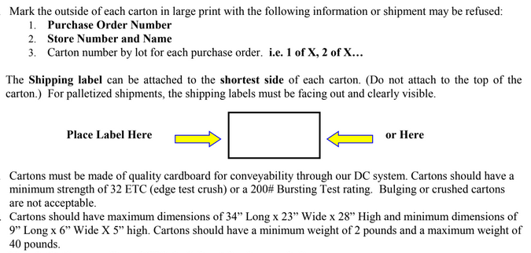
BOC9925-42 | BOC9925-42 | 6 | 1771908
BOC9925-42 | BOC9925-42 | 6 | 1771909
BOC9925-42 | BOC9925-42 | 6 | 1771910
BOC9925-42 | BOC9925-42 | 6 | 1771911
BOC9927-42 | BOC9927-42 | 6 | 1771904
BOC9927-42 | BOC9927-42 | 6 | 1771905
BOC9927-42 | BOC9927-42 | 6 | 1771906
BOC9927-42 | BOC9927-42 | 6 | 1771907
BOC9927-42 | BOC9927-42 | 6 | 1771908
BOC9927-42 | BOC9927-42 | 6 | 1771909
BOC9927-42 | BOC9927-42 | 6 | 1771910
BOC9927-42 | BOC9927-42 | 6 | 1771911
BOC9927-42 | BOC9927-42 | 6 | 1771904
BOC9927-42 | BOC9927-42 | 6 | 1771905
BOC9927-42 | BOC9927-42 | 6 | 1771906
BOC9927-42 | BOC9927-42 | 6 | 1771907
BOC9927-42 | BOC9927-42 | 6 | 1771908
BOC9927-42 | BOC9927-42 | 6 | 1771909
BOC9927-42 | BOC9927-42 | 6 | 1771910
BOC9927-42 | BOC9927-42 | 6 | 1771911
BOC9927-42 | BOC9927-42 | 6 | 1771904
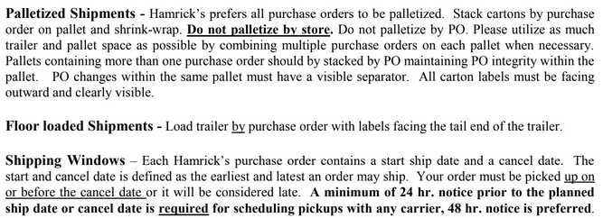
BOC9927-42 | BOC9927-42 | 6 | 1771905
BOC9927-42 | BOC9927-42 | 6 | 1771906
BOC9927-42 | BOC9927-42 | 6 | 1771907
BOC9927-42 | BOC9927-42 | 6 | 1771908
BOC9927-42 | BOC9927-42 | 6 | 1771909
BOC9927-42 | BOC9927-42 | 6 | 1771910
BOC9927-42 | BOC9927-42 | 6 | 1771911

